1 & 8
Answer of QS.1-Drop duplicates | Answer of QS.8-Delete rows from 15-20

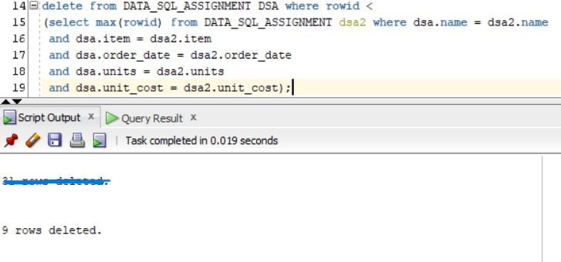 | 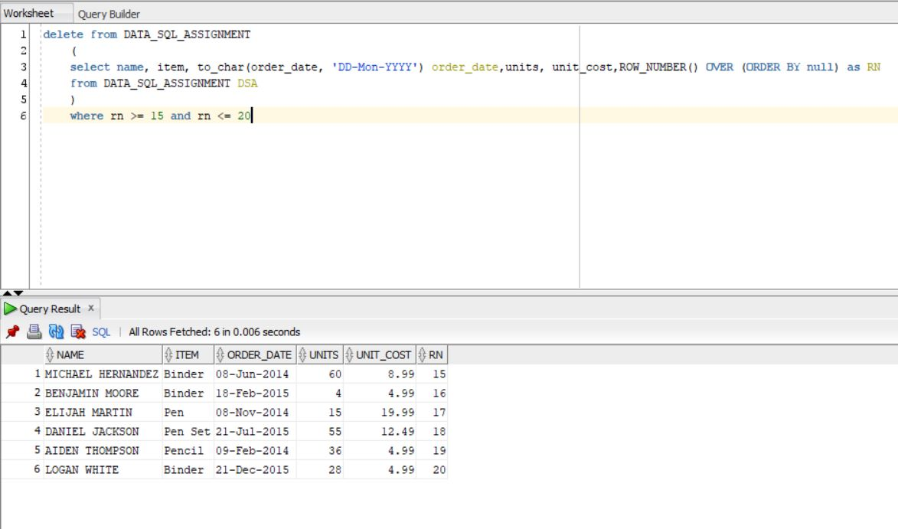

According to the Qs to drop duplicates, 9 duplicate rows has been deleted as per the above attached image. | According to the Qs to delete rows from 15-20, 6 rows has been deleted as per the above attached image.

